Count Validation
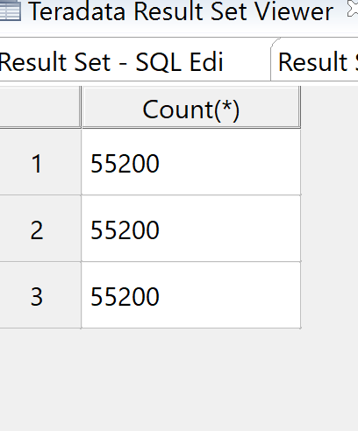
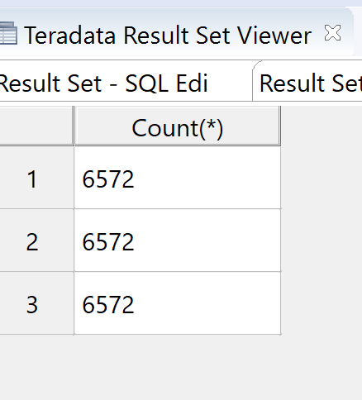
Sql

SEL COUNT(*) FROM RK250076.STG_AWS_ORDERS | SEL COUNT(*) FROM RK250076.STG_NOS_AWS_ORDERS
UNION ALL | UNION ALL
sel COUNT(*) from RK250076.CORE_AWS_ORDERS | sel COUNT(*) from RK250076.CORE_NOS_AWS_ORDERS
UNION ALL | UNION ALL
SEL COUNT(*) FROM RK250076.SEM_AWS_ORDERS | SEL COUNT(*) FROM RK250076.SEM_NOS_AWS_ORDERS

MVC
MVC QUERY |  | WITHOUT MVC

CREATE MULTISET TABLE RK250076.CORE_AWS_ORDERS_MVC ,FALLBACK , |  | CREATE MULTISET TABLE RK250076.CORE_AWS_ORDERS_NO_MVC ,FALLBACK ,
NO BEFORE JOURNAL, |  | NO BEFORE JOURNAL,
NO AFTER JOURNAL, |  | NO AFTER JOURNAL,
CHECKSUM = DEFAULT, |  | CHECKSUM = DEFAULT,
DEFAULT MERGEBLOCKRATIO ( |  | DEFAULT MERGEBLOCKRATIO (
Order_Id INTEGER NOT NULL, |  | Order_Id INTEGER NOT NULL,
Cust_Id INTEGER NOT NULL, |  | Cust_Id INTEGER NOT NULL,
Order_Status VARCHAR(5) COMPRESS('C'), |  | Order_Status VARCHAR(5),
Total_Price DECIMAL(10,2) COMPRESS, |  | Total_Price DECIMAL(10,2),
Order_Date DATE FORMAT 'YYYY-MM-DD', |  | Order_Date DATE FORMAT 'YYYY-MM-DD',
Order_Priority BYTEINT COMPRESS(10), |  | Order_Priority BYTEINT,
Clerk VARCHAR(50) COMPRESS('Auggie Sunshine', 'Ossie Leaves', 'April Rains', 'Norbert Thanks', 'Fred Cold', 'Jack Snow', 'Steve Fall', 'Dee Winter', 'Justin Heat', 'Matt Winds', 'June Summer', 'May Flowers'), |  | Clerk VARCHAR(50),
First_Name VARCHAR(50) COMPRESS, |  | First_Name VARCHAR(50),
Last_Name VARCHAR(50) COMPRESS, |  | Last_Name VARCHAR(50),
Store_Id INTEGER NOT NULL, |  | Store_Id INTEGER NOT NULL,
Ship_Priority INTEGER COMPRESS(1,2,3,4,5), |  | Ship_Priority INTEGER,
Order_Comment VARCHAR(20) COMPRESS('In Stock'), |  | Order_Comment VARCHAR(20),
Order_Qty INTEGER COMPRESS, |  | Order_Qty INTEGER,
Product_Id INTEGER compress, |  | Product_Id INTEGER,
Discount DECIMAL(10,2) COMPRESS(23.3, 69.89, 17.47, 13.98, 34.95), |  | Discount DECIMAL(10,2),
Discount_Percent DECIMAL(10,2) COMPRESS, |  | Discount_Percent DECIMAL(10,2),
SOURCE_SYSTEM VARCHAR(6) NOT NULL COMPRESS('AWS'), |  | SOURCE_SYSTEM VARCHAR(6) NOT NULL,
EFF_START_DTTM TIMESTAMP(0) NOT NULL, |  | EFF_START_DTTM TIMESTAMP(0) NOT NULL,
EFF_END_DTTM TIMESTAMP(0) NOT NULL COMPRESS(TIMESTAMP '9999-12-31 23:59:59'), |  | EFF_END_DTTM TIMESTAMP(0) NOT NULL,
CURR_IND CHAR(1) NOT NULL COMPRESS('Y'), |  | CURR_IND CHAR(1) NOT NULL,
LOAD_DTTM TIMESTAMP(0) NOT NULL ) primary index (order_id) |  | LOAD_DTTM TIMESTAMP(0) NOT NULL ) primary index (order_id)
PARTITION BY ( |  | PARTITION BY (
RANGE_N(STORE_ID BETWEEN 1 AND 100 EACH 1) |  | RANGE_N(STORE_ID BETWEEN 1 AND 100 EACH 1)
,RANGE_N(ORDER_DATE between '2015-01-01' and '2023-12-31' each interval '1' day)) |  | ,RANGE_N(ORDER_DATE between '2015-01-01' and '2023-12-31' each interval '1' day))
; |  | ;

COLLECT STATISTICS ON RK250076.CORE_AWS_ORDERS_MVC COLUMN(Order_Status);
COLLECT STATISTICS ON RK250076.CORE_AWS_ORDERS_MVC COLUMN(Total_Price); |  | CREATE VOLATILE TABLE VOL_DISCOUNT_PERCENT AS
COLLECT STATISTICS ON RK250076.CORE_AWS_ORDERS_MVC COLUMN(Order_Priority); |  | (SELECT ORDER_ID, CAST((SAO.DISCOUNT/SAO.TOTAL_PRICE) * 100 AS DECIMAL(10,2)) AS DISCOUNT_PERCENT FROM RK250076.STG_AWS_ORDERS SAO)
COLLECT STATISTICS ON RK250076.CORE_AWS_ORDERS_MVC COLUMN(Clerk); |  | WITH DATA AND STATISTICS
COLLECT STATISTICS ON RK250076.CORE_AWS_ORDERS_MVC COLUMN(First_Name); |  | ON COMMIT PRESERVE ROWS;

DROP TABLE RK250076.CORE_AWS_ORDERS_MVC; |  | DELETE FROM VOL_DISCOUNT_PERCENT WHERE DISCOUNT_PERCENT > 90.0;
SEL TOP 10 * FROM RK250076.CORE_AWS_ORDERS;
 |  | CREATE VOLATILE TABLE VOL_AVG_DISCOUNT AS
CREATE VOLATILE TABLE VOL_DISCOUNT_PERCENT AS |  | (SELECT SAO.PRODUCT_ID, X.AVERAGE_DISCOUNT AS AVERAGE_DISCOUNT_NULL FROM RK250076.STG_AWS_ORDERS SAO
(SELECT ORDER_ID, CAST((SAO.DISCOUNT/SAO.TOTAL_PRICE) * 100 AS DECIMAL(10,2)) AS DISCOUNT_PERCENT FROM RK250076.STG_AWS_ORDERS SAO) |  | LEFT OUTER JOIN (SELECT PRODUCT_ID, AVG(SAO.DISCOUNT) AS AVERAGE_DISCOUNT FROM RK250076.STG_AWS_ORDERS SAO GROUP BY PRODUCT_ID) X
WITH DATA AND STATISTICS |  | ON SAO.PRODUCT_ID = X.PRODUCT_ID
ON COMMIT PRESERVE ROWS; |  | WHERE SAO.DISCOUNT IS NULL)
 |  | WITH DATA AND STATISTICS
DELETE FROM VOL_DISCOUNT_PERCENT WHERE DISCOUNT_PERCENT > 90.0; |  | ON COMMIT PRESERVE ROWS;

CREATE VOLATILE TABLE VOL_AVG_DISCOUNT AS |  | --DROP TABLE VOL_DISCOUNT_PERCENT;
(SELECT SAO.PRODUCT_ID, X.AVERAGE_DISCOUNT AS AVERAGE_DISCOUNT_NULL FROM RK250076.STG_AWS_ORDERS SAO |  | --DROP TABLE VOL_AVG_DISCOUNT;
LEFT OUTER JOIN (SELECT PRODUCT_ID, AVG(SAO.DISCOUNT) AS AVERAGE_DISCOUNT FROM RK250076.STG_AWS_ORDERS SAO GROUP BY PRODUCT_ID) X
ON SAO.PRODUCT_ID = X.PRODUCT_ID
WHERE SAO.DISCOUNT IS NULL) |  | INSERT INTO RK250076.CORE_AWS_ORDERS_NO_MVC (
WITH DATA AND STATISTICS |  | Order_Id
ON COMMIT PRESERVE ROWS; |  | ,Cust_Id
 |  | ,Order_Status
--DROP TABLE VOL_DISCOUNT_PERCENT; |  | ,Total_Price
--DROP TABLE VOL_AVG_DISCOUNT; |  | ,ORDER_DATE
 |  | ,Order_Priority
 |  | ,Clerk
INSERT INTO RK250076.CORE_AWS_ORDERS_MVC ( |  | ,First_Name
Order_Id |  | ,Last_Name
,Cust_Id |  | ,Store_Id
,Order_Status |  | ,Ship_Priority
,Total_Price |  | ,Order_Comment
,ORDER_DATE |  | ,Order_Qty
,Order_Priority |  | ,Product_Id
,Clerk |  | ,Discount
,First_Name |  | ,Discount_Percent
,Last_Name |  | ,Source_System
,Store_Id |  | ,EFF_START_DTTM
,Ship_Priority |  | ,EFF_END_DTTM
,Order_Comment |  | ,CURR_IND
,Order_Qty |  | ,LOAD_DTTM
,Product_Id |  | )
,Discount |  | SELECT
,Discount_Percent |  | SRC.Order_Id
,Source_System |  | ,SRC.Cust_Id
,EFF_START_DTTM |  | ,SRC.Order_Status
,EFF_END_DTTM |  | ,SRC.Total_Price
,CURR_IND |  | --,TO_DATE(TO_CHAR(TO_DATE(SRC.Order_Date, 'MM/DD/YYYY'), 'YYYY-MM-DD'), 'YYYY-MM-DD') (VARCHAR(10)) AS Order_Date
,LOAD_DTTM |  | ,CAST(TO_DATE(order_date,'MM/DD/YYYY') AS DATE FORMAT 'YYYY-MM-DD')
) |  | ,SRC.Order_Priority
SELECT |  | ,REGEXP_REPLACE(SRC.Clerk, '[0-9]', '') AS Clerk
SRC.Order_Id |  | ,STRTOK(SRC.CLERK, ' ', 1) AS First_Name
,SRC.Cust_Id |  | ,STRTOK(SRC.CLERK, ' ', 2) AS Last_Name
,SRC.Order_Status |  | ,SRC.Store_Id
,SRC.Total_Price |  | ,SRC.Ship_Priority
--,TO_DATE(TO_CHAR(TO_DATE(SRC.Order_Date, 'MM/DD/YYYY'), 'YYYY-MM-DD'), 'YYYY-MM-DD') (VARCHAR(10)) AS Order_Date |  | ,SRC.Order_Comment
,CAST(TO_DATE(order_date,'MM/DD/YYYY') AS DATE FORMAT 'YYYY-MM-DD') |  | ,SRC.Order_Qty
,SRC.Order_Priority |  | ,SRC.Product_Id
,REGEXP_REPLACE(SRC.Clerk, '[0-9]', '') AS Clerk |  | ,SRC.Discount
,STRTOK(SRC.CLERK, ' ', 1) AS First_Name |  | ,CASE WHEN VDP.DISCOUNT_PERCENT IS NOT NULL THEN VDP.DISCOUNT_PERCENT
,STRTOK(SRC.CLERK, ' ', 2) AS Last_Name |  |  | WHEN VDP.DISCOUNT_PERCENT IS NULL THEN VAD.AVERAGE_DISCOUNT_NULL
,SRC.Store_Id |  | END AS DISCOUNT_PERCENT
,SRC.Ship_Priority |  | ,'AWS' AS Source_System
,SRC.Order_Comment |  | ,CAST(DATE AS TIMESTAMP(0)) AS EFF_START_DTTM
,SRC.Order_Qty |  | ,'9999-12-31 23:59:59' AS EFF_END_DTTM
,SRC.Product_Id |  | ,'Y' AS CURR_IND
,SRC.Discount |  | ,CURRENT_TIMESTAMP(0) AS LOAD_DTTM
,CASE WHEN VDP.DISCOUNT_PERCENT IS NOT NULL THEN VDP.DISCOUNT_PERCENT |  | FROM
 | WHEN VDP.DISCOUNT_PERCENT IS NULL THEN VAD.AVERAGE_DISCOUNT_NULL | RK250076.STG_AWS_ORDERS SRC
END AS DISCOUNT_PERCENT |  | LEFT JOIN VOL_DISCOUNT_PERCENT VDP
,'AWS' AS Source_System |  | ON SRC.ORDER_ID = VDP.ORDER_ID
,CAST(DATE AS TIMESTAMP(0)) AS EFF_START_DTTM |  | LEFT JOIN VOL_AVG_DISCOUNT VAD
,'9999-12-31 23:59:59' AS EFF_END_DTTM |  | ON SRC.PRODUCT_ID = VAD.PRODUCT_ID
,'Y' AS CURR_IND |  | ;
,CURRENT_TIMESTAMP(0) AS LOAD_DTTM
FROM
RK250076.STG_AWS_ORDERS SRC
LEFT JOIN VOL_DISCOUNT_PERCENT VDP
ON SRC.ORDER_ID = VDP.ORDER_ID
LEFT JOIN VOL_AVG_DISCOUNT VAD
ON SRC.PRODUCT_ID = VAD.PRODUCT_ID
;

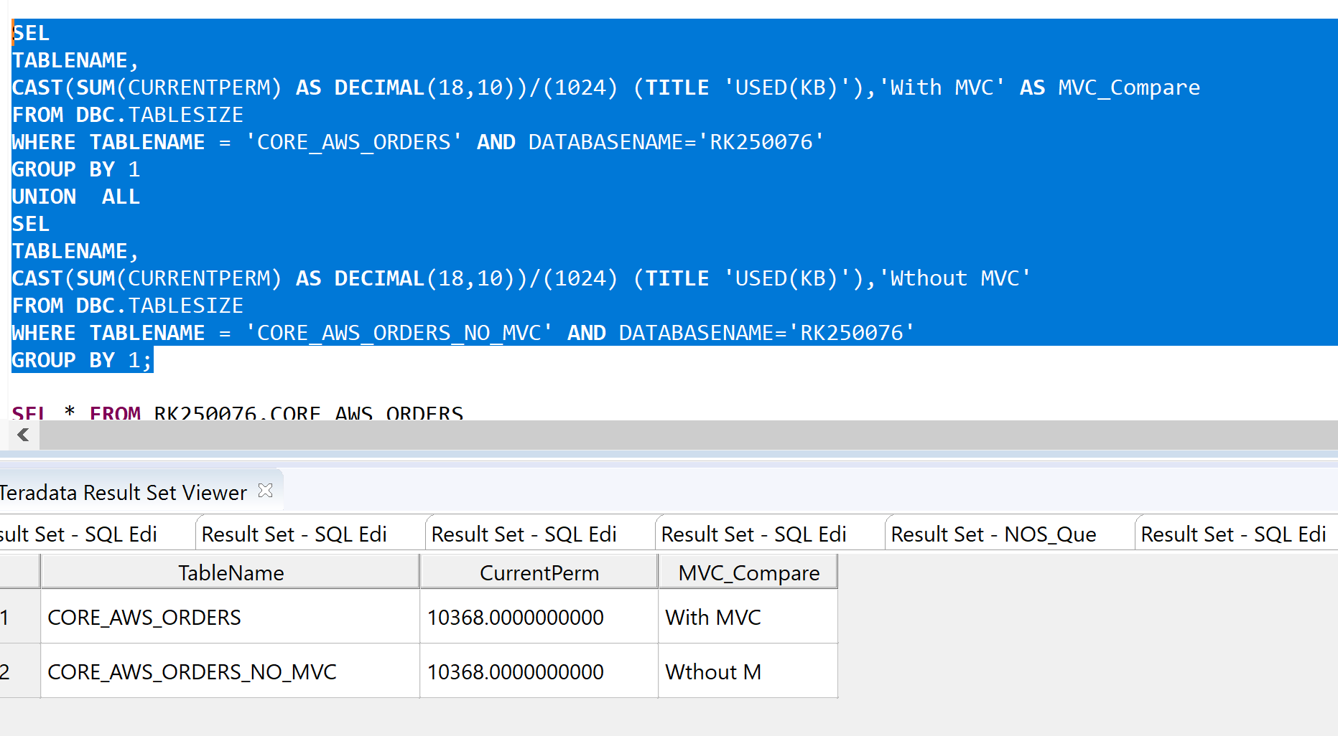
SEL
TABLENAME,
CAST(SUM(CURRENTPERM) AS DECIMAL(18,10))/(1024) (TITLE 'USED(KB)'),'With MVC' AS MVC_Compare
FROM DBC.TABLESIZE
WHERE TABLENAME = 'CORE_AWS_ORDERS' AND DATABASENAME='RK250076'
GROUP BY 1
UNION ALL
SEL
TABLENAME,
CAST(SUM(CURRENTPERM) AS DECIMAL(18,10))/(1024) (TITLE 'USED(KB)'),'Wthout MVC'
FROM DBC.TABLESIZE
WHERE TABLENAME = 'CORE_AWS_ORDERS_NO_MVC' AND DATABASENAME='RK250076'
GROUP BY 1;

